1. Title Page
[Achievement 4 Final Task]

Project Name: Instacart Market Basket Analysis
Date: 30/06/2024
Analyst Name: Andrew Fearney

Contents:
Population Flow
Consistency checks
Wrangling steps
Column derivations
Visualisations
Recommendations

Project Title: Instacart Market Basket Analysis
Objective: To analyse purchasing patterns and provide recommendations for targeted marketing strategies.
Data Sources: “The Instacart Online Grocery Shopping Dataset 2017”, Accessed from www.instacart.com/datasets/grocery-shopping-2017 via Kaggle on [24/06/2024].

2. Population Flow
Title page

Population flow

Exclusion flag
Condition: max_order <
Obervations to be removed:
Final total count of order_products_all:

Orders_products_combined
Orders_products_merged
Orders_products_all

Total: 32,399,732
Total: 32,434,489
Total: 32,399,732

1.) The grey boxes in the first row of the population flow represent the original data sets as they were when you downloaded them. In the Total fields you need to add the count of the rows when you imported the data set into Jupyter.
2.) The second row of boxes (coloured) represents the data sets after you manipulated them, e.g., removed missing values and duplicates. In the Total fields you need to add the count of the rows after conducting these operations. This offers a visual oveview of how the data flows throughout the data consistency checks.
3.) The third row, where also the arrows are coloured, represents the merges you performed between the datasets. In the Total fields you need to add the count of the rows in the merged datasets, so that you end up with the final dataset (in the red box). Keep in mind the final dataset should be without exclusions (based on the exclusion flag).

3. Consistency checks
 |  |  |  | Title page
Consistency checks

Dataset | Missing values | Missing values treatment | Duplicates
orders | 206,209 - in "days_since_prior_order" | Filtered dataframe and created new column | 0 rows removed
products | 16 in product name | Filtered out and dropped | 16 rows removed
orders_products_prior | n/a | n/a | n/a
customers | n/a | n/a | n/a

4. Wrangling steps
 |  |  |  | Title page
Wrangling steps

Columns dropped | Columns renamed | Columns' type changed | Comment/Reason
eval_set |  |  | Not needed in analysis (Ex 4.4)
 |  | order_id (int --> str) | Not needed in analysis (Ex 4.4)
 |  | user_id (int --> str) | Not needed in analysis (Ex 4.4)
 | order_dow |  | Interpreting "orders_day_of_week" was considered easier
"First Name" |  |  | Unnecessary for analysis & personally identifiable information (Ex 4.9)
Surnam |  |  | Unnecessary for analysis & personally identifiable information (Ex 4.9)
 | "Gender" |  | Renamed for uniformity
 | "STATE" |  | Renamed for uniformity
 | "Age" |  | Renamed for uniformity
 | "Fam Status" |  | Renamed for uniformity
 |  | product_id (int64 --> int32) | Saved on memory (Ex.4.9)
 |  | aisle_id (int64 --> int32) | Saved on memory (Ex.4.9)
 |  | department_id (int64 --> int32) | Saved on memory (Ex.4.9)
 |  | order_id (str --> int32) | Saved on memory (Ex.4.9)

5. Column derivations
 |  |  |  | Title page

Column derivations and aggregations

In this tab you should add tables below that the frequences of flags/label variables that you produced after deriving them. NB: don't do this for continuous variables, only for flags.
Dataset | New column | Column/s it was derived from | Conditions
df_merged_large (orders products merged) | price_range | prices | Low-range: <= $2.5 Mid_low-range: > $2.5 and <= $5 Mid-range: > $5 and<= $7.5 Mid_high-range: > $7.5 and <= $12.5 High-range: >= $12.5
orders_checked | first_order | days_since_prior_order | The column "days_since_prior_order" contains missing values, which can be checked using the .isnull() method. The minimum value in this column likely indicates orders made on the same day or within 24 hours of the previous order, while the maximum value is capped at 30 according to the data dictionary. Missing values in this column are assigned where the order_number equals 1, matching exactly with the maximum user_id count of 206,209.
df_merged_large (orders products merged) | busiest_days | orders_day_of_week | Busiest days (11,862,627): if value in [0, 1] Slowest days (7,623,037): elif value in [3, 4] Regularly busy (12,914,068): else (value in [2, 5, 6])
df_merged_large (orders products merged) | busiest_period_of_day | order_hour_of_day | Most orders (21,114,733): if value in [10, 11, 14, 15, 13, 12, 16, 9] Average orders (9,996,048): elif value in [17, 8, 18, 19, 20, 7, 21, 22] Fewest orders (1,288,951): else (value in [23, 6, 0, 1, 5, 2, 4, 3])
df_ords_prods_merge | loyalty_flag | max_order (which was derived from user_id & order_number) | Loyal customer (10,282,763): "max_order" > 40 Regular customer (15,874,128): 10 < "max_order" <= 40 New customer (6,242,841): "max_order" <= 10
df_ords_prods_merge | spending_flag | user_mean_product_price (which was derived from user_id & prices) | Low spender (32,280,013): "user_mean_product_price" < 10 High spender (119,719): "user_mean_product_price" >= 10
orders_products_all | age_group | age | Young Adult (5,816,632): "age" <= 29 Adult (4,846,808): 29 < "age" < 40 Middle Age (4,882,358): 40 <= "age" < 50 Senior (7,219,622): 50 <= "age" < 65 Elderly (8,194,267): "age" >= 65
orders_products_all | region | state | Northeast (5,721,892): "State" isin ['Maine', 'New Hampshire', 'Vermont', 'Massachusetts', 'Rhode Island', 'Connecticut', 'New York', 'Pennsylvania', 'New Jersey'] Midwest (7,596,065): "State" isin ['Wisconsin', 'Michigan', 'Illinois', 'Indiana', 'Ohio', 'North Dakota', 'South Dakota', 'Nebraska', 'Kansas', 'Minnesota', 'Iowa', 'Missouri'] West (8,291,679): "State" isin ['Idaho', 'Montana', 'Wyoming', 'Nevada', 'Utah', 'Colorado', 'Arizona', 'New Mexico', 'Alaska', 'Washington', 'Oregon', 'California', 'Hawaii'] South (10,790,096): "State" isin ['Delaware', 'Maryland', 'District of Columbia', 'Virginia', 'West Virginia', 'North Carolina', 'South Carolina', 'Georgia', 'Florida', 'Kentucky', 'Tennessee', 'Mississippi', 'Alabama', 'Oklahoma', 'Texas', 'Arkansas', 'Louisiana']
orders_products_all | income_group | income | Low (3,362,554): "income" <= 50,000 Middle (13,394,719): 50,000 < "income" <= 100,000 High (14,202,414): "income" > 100,000
orders_products_all | dependents_flag | n_dependants | No Dependents (7,738,508): "n_dependants" = 0 Has Dependents (23,221,179): "n_dependants" > 0

6. Visualisations
Title page

Visualisations

In this tab you should include all the visualtions from Exercises 4.9 and 4.10, alongside the questions from the project brief that they answer. Include any commentary on the relationship between different variables.

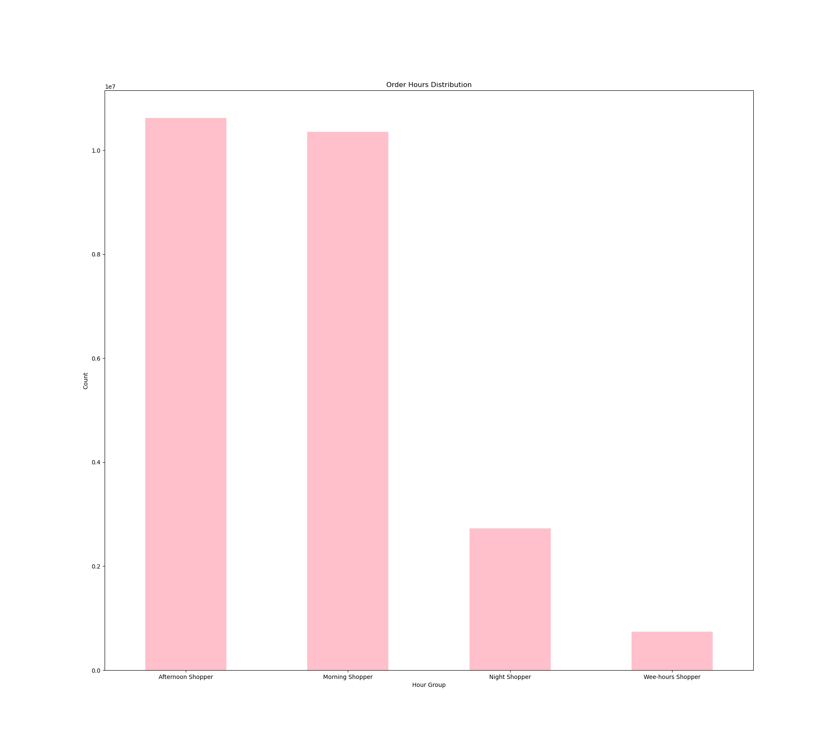
Order Hours by Distribution
1. Key Question: "The sales team needs to know what the busiest days of the week and hours of the day are (i.e., the days and times with the most orders) in order to schedule ads at times when there are fewer orders".

Instacart No. of Orders per Day of Week

Bar chart 1:
This bar chart shows the distribution of orders across different days of the week.
The highest number of orders are placed on days 0 and 1, which correspond to Saturday and Sunday, indicating that the weekends are the busiest times for orders.
There are fewer orders placed during the weekdays, with days 3 and 4 (Wednesday and Thursday) having the least number of orders.
Bar chart 2:
This bar chart displays the distribution of orders across different hours of the day.
Most orders tend to occur during the morning and afternoon hours, peaking between 9 AM and 4 PM.
There are significantly fewer orders placed during the early morning and late-night hours, indicating that these times are the least busy.

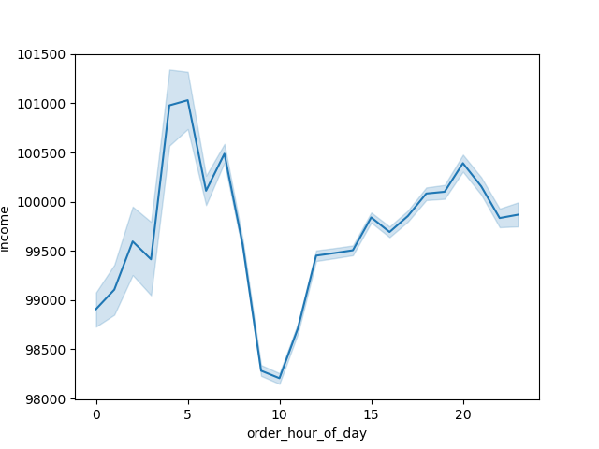
2. Key Question: "They also want to know whether there are particular times of the day when people spend the most money, as this might inform the type of products they advertise at these times".
Instacart Av.Price Producs Sold by Hour of Day

The bar chart illustrates the average price of products sold at different hours of the day. It shows that the average spending peaks early in the day, especially between 0 and 5 hours, suggesting higher spending during these times. The sales team can consider advertising higher-priced items during these peak spending hours to capitalize on consumer behavior.

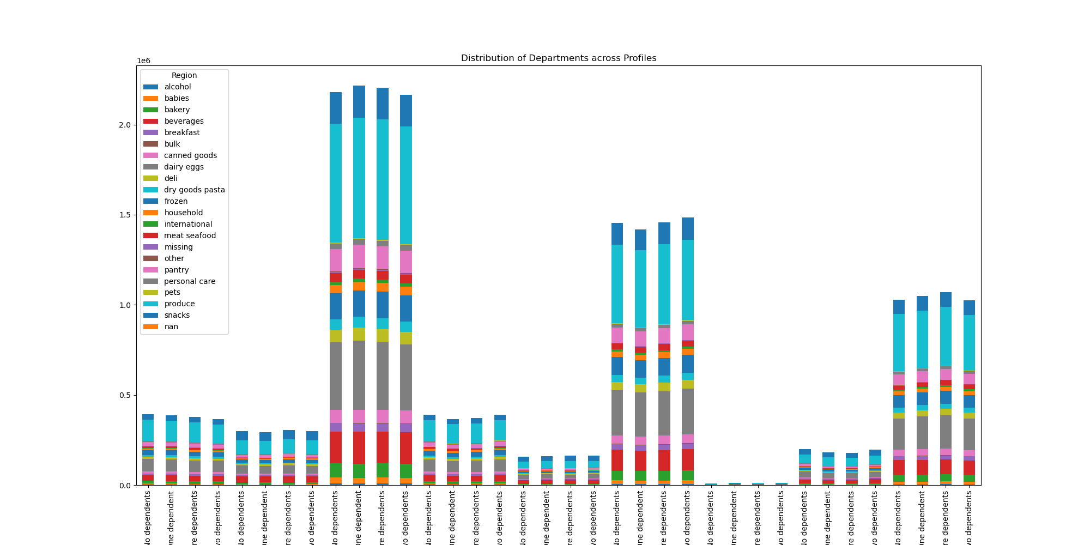

3. Key Question: "Are there certain types of products that are more popular than others? The marketing and sales teams want to know which departments have the highest frequency of product orders."

The stacked bar chart shows the frequency of product orders across different departments. It reveals that the 'produce' department has the highest frequency of orders, followed by 'dairy eggs' and 'snacks'. This information can guide the marketing team to focus promotions and advertisements on these popular product categories.

4. Key Question: "Are there differences in ordering habits based on a customer's region"?
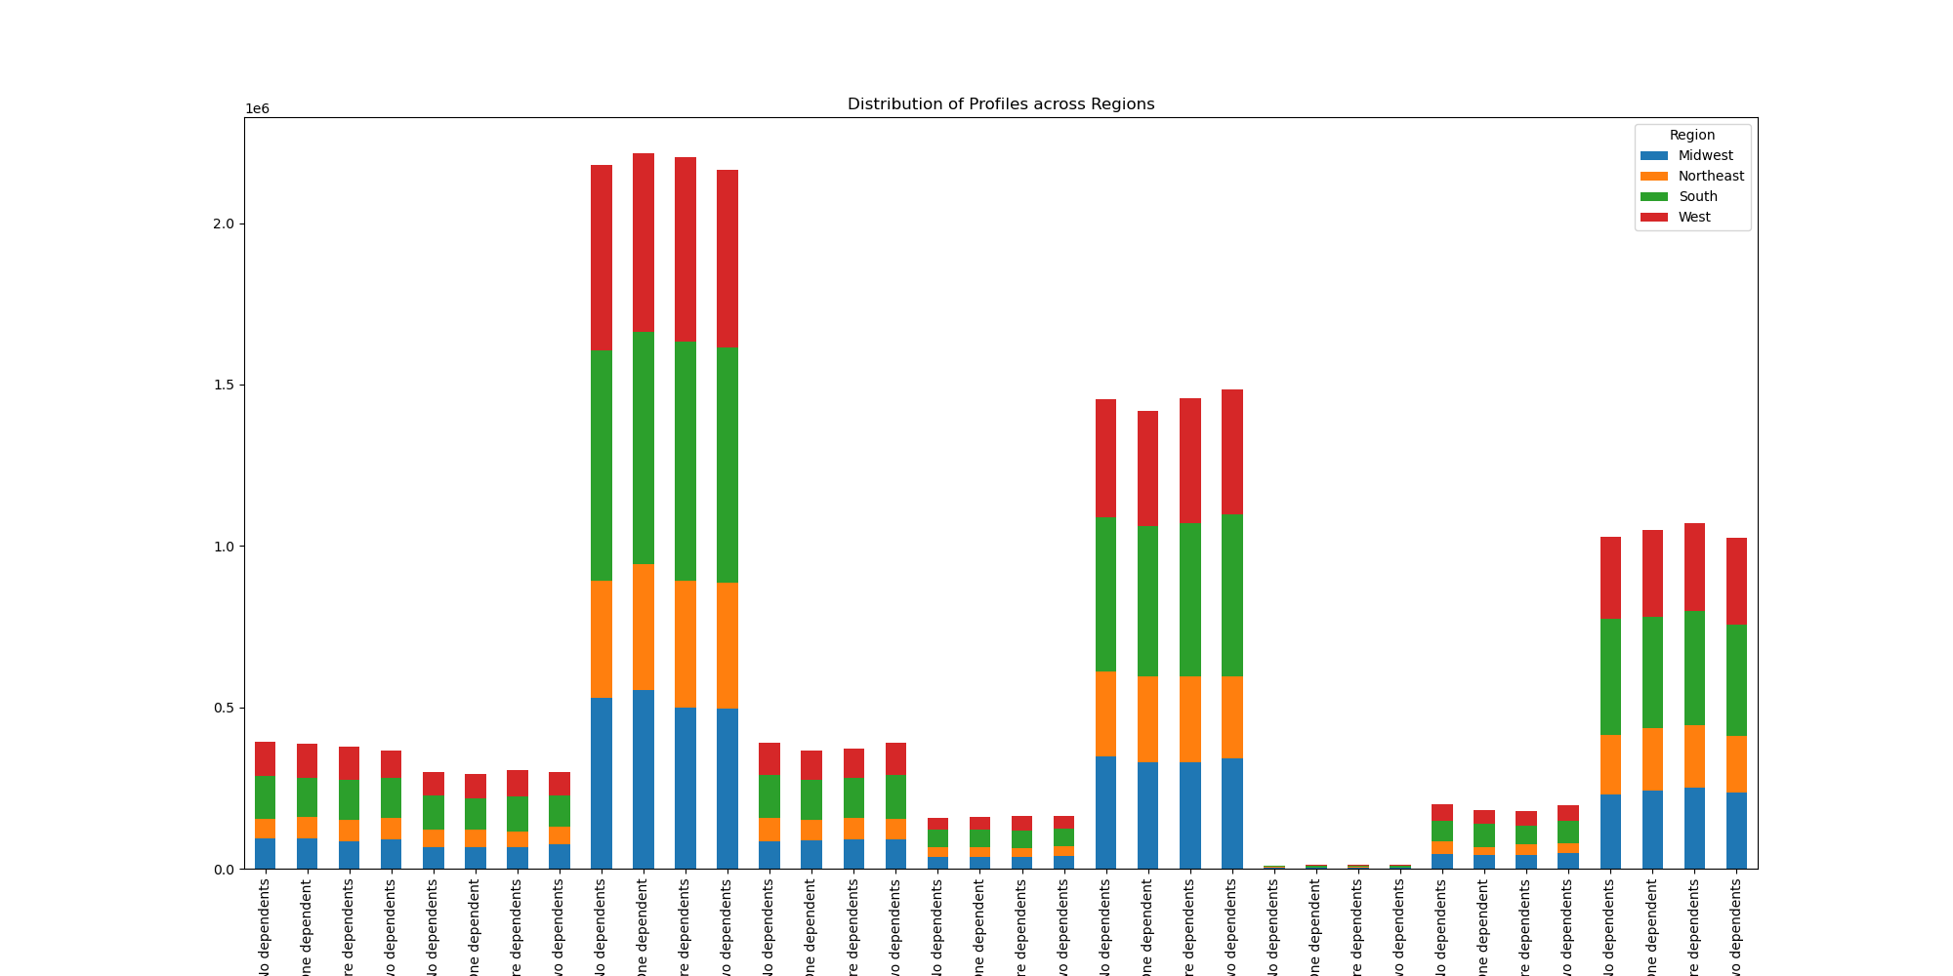
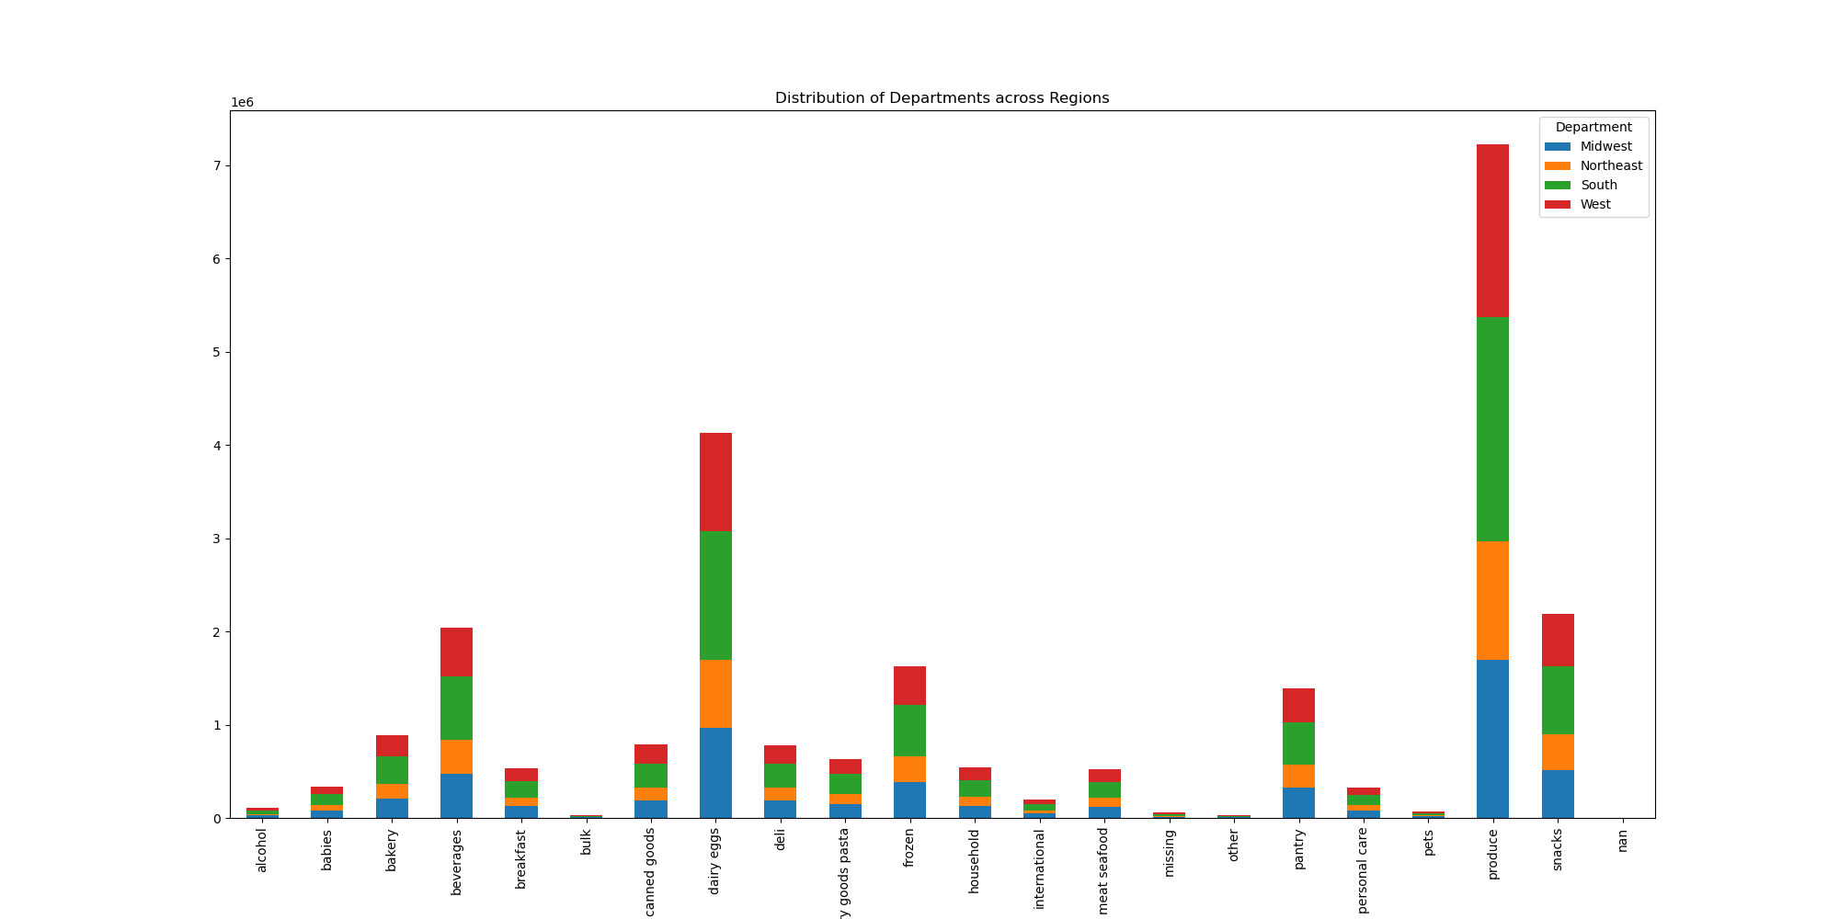
Stacked bar 1-The first stacked bar chart illustrates how product orders are distributed across different regions. It highlights that 'produce' is the most popular department in the West and Midwest regions. Other departments like 'dairy eggs' and 'beverages' also show substantial regional preferences. This chart helps in understanding regional demand for specific product categories, which can guide inventory and marketing strategies to cater to regional tastes and preferences effectively.
Stacked bar 2-The second stacked bar chart breaks down the distribution of customer profiles across different regions. It indicates the diversity of customer segments within each region, showing variations in shopping habits and preferences. For instance, certain regions might have a higher proportion of customers with dependents, influencing the types of products they purchase. This detailed demographic segmentation is crucial for tailoring regional marketing campaigns and ensuring that the product offerings meet the specific needs of each customer segment within the different regions.

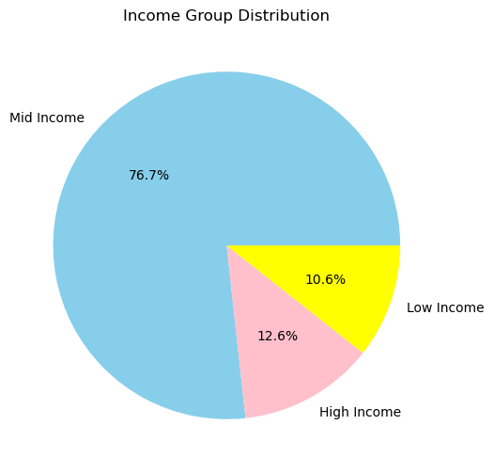
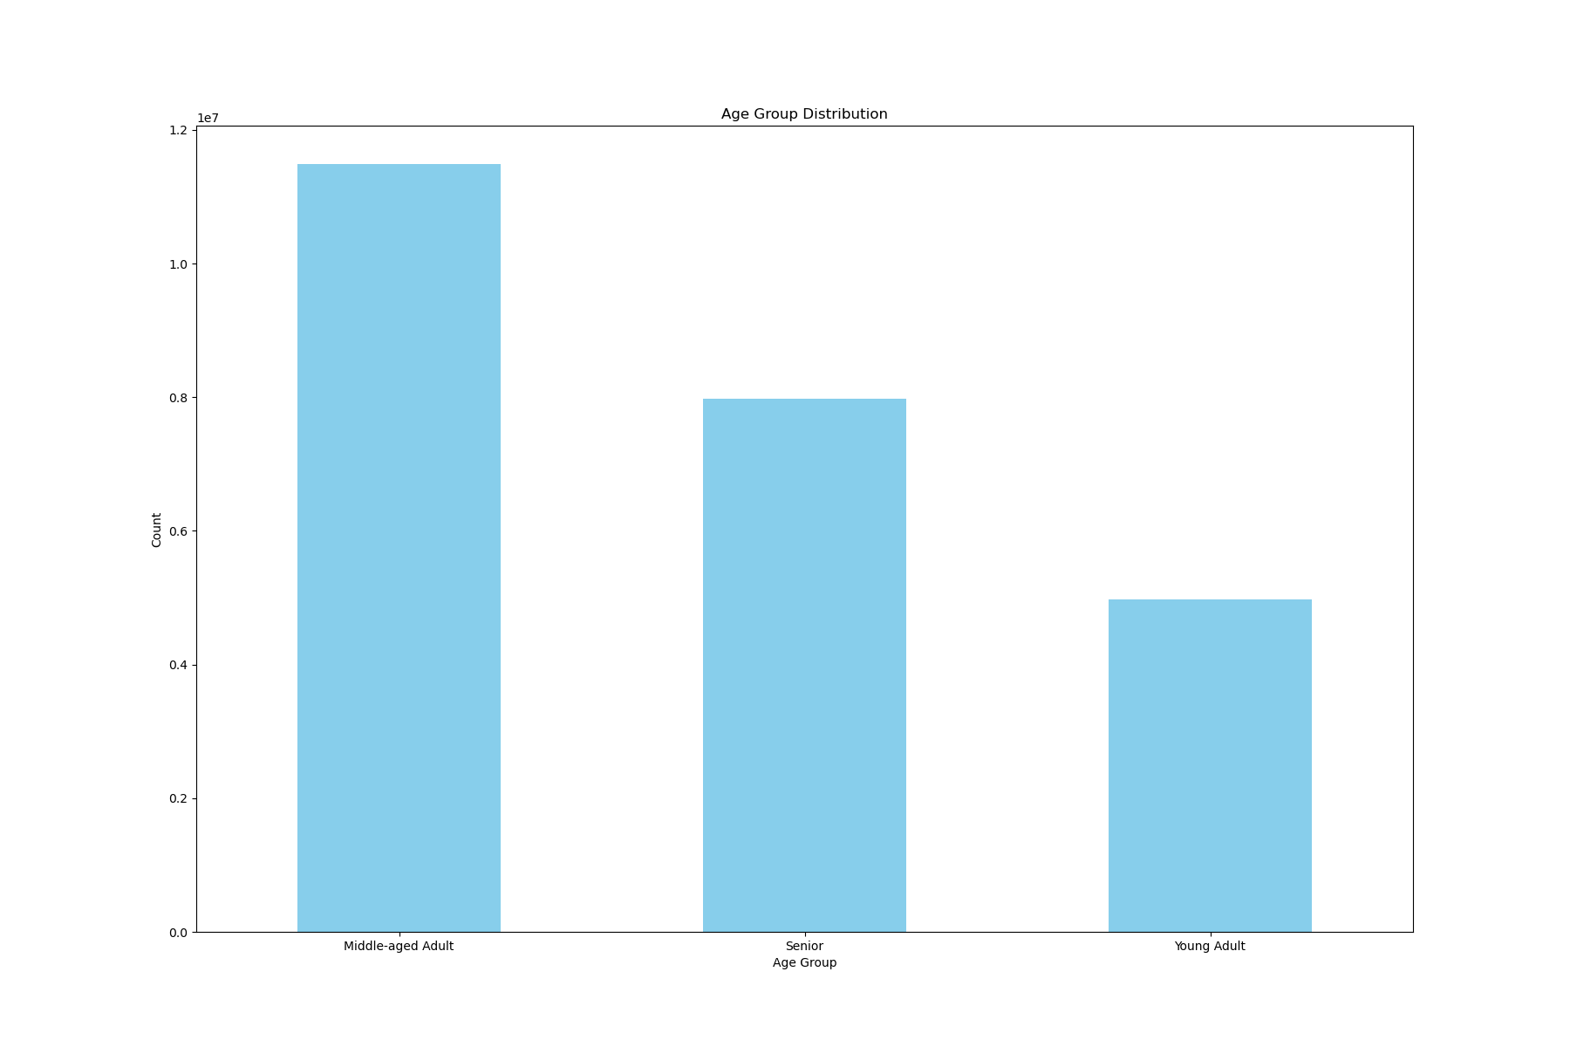

5. Key Question: : "What different classifications does the demographic information suggest?

Pie chart-The pie chart illustrates the distribution of income groups among customers. It shows that the majority of customers belong to the 'mid income' group (76.7%), followed by 'high income' (12.6%) and 'low income' (10.6%). This demographic breakdown can help in segmenting customers for targeted marketing campaigns, ensuring that products and promotions are aligned with the income levels of different customer groups.
Bar chart-The bar chart shows the distribution of customers across different age groups. The 'Middle-aged Adult' category has the highest count, indicating that this age group forms the largest segment of Instacart's customer base. Seniors and Young Adults follow, with significantly lower counts. This information can be used to tailor marketing strategies and promotions to cater to the largest customer segment while also considering the needs and preferences of the smaller age groups.

7. Recommendations
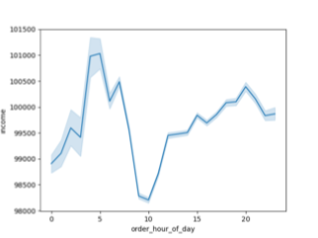
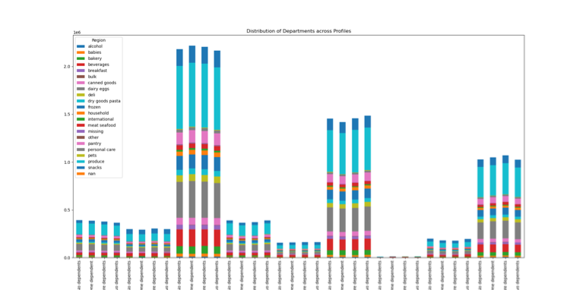
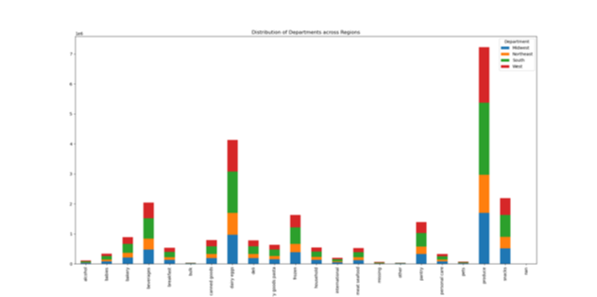
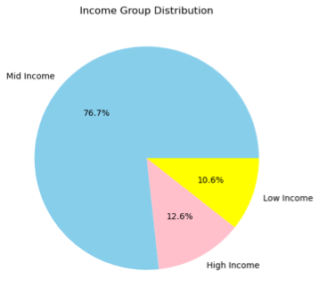

Title page

Recommendations

In this tab you should include any recommendations you would made to Instcart in terms of their marketing strategy based on the questions posed in the brief. Every key question has been covered in the Tasks of the Exercises - here you need to add an item - a visualisation or table/crosstable that is showing the answer in the data, acompanied by a comment from you. Please, list the questions below and add the answer underneath.

Recommendations for Instacart Stakeholders
Marketing / Sales
Price Range Groupings: Implement low, mid, and high or low, mid-low, mid-high, and high price range groupings to streamline marketing and sales strategies.
Regional Focus: Increase marketing efforts in the Northeast, where customer numbers are currently low, and expand efforts in the South to capitalise on a large existing customer base.
Promotions
Ad Scheduling: Schedule ads between 5 pm and 8 am, as these are times with fewer orders, and target price drops on high-priced items during midday to attract sales from midday shoppers.
Promotion Timing: Utilise promotions on Tuesdays and Wednesdays, the days with the fewest orders, to potentially boost sales during these times.
Loyalty Programs: Promote loyalty programs to encourage more frequent orders, offer subscriptions for regular orders, and provide slight price reductions for loyalty customers.
Further Analysis
Product Pricing Analysis: Analyze the types of products purchased during early morning hours when the average purchased product price is highest.
Customer Segmentation: Investigate shopping patterns among students and adult dependents to offer senior and student member/loyalty programs and discounts.
High-Income Customer Insights: Survey high-income customers to determine preferences, focusing on encouraging greater spending by targeting regions and customer bases with an emphasis on quality over thriftiness.

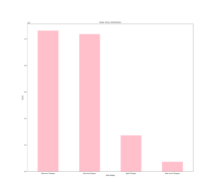
Key Questions and Answers
Key Question: "The sales team needs to know what the busiest days of the week and hours of the day are (i.e., the days and times with the most orders) in order to schedule ads at times when there are fewer orders."
Answer: The busiest days are Saturday and Sunday (days 0 and 1), and the busiest times are between 9 am and 5 pm.
Key Question: "They also want to know whether there are particular times of the day when people spend the most money, as this might inform the type of products they advertise at these times."
Answer: Customers tend to spend more money in the early morning hours.
Key Question: "Instacart has a lot of products with different price tags. Marketing and sales want to use simpler price range groupings to help direct their efforts."
Answer: Low-range products are less than or equal to $2.5, mid-low-range products are greater than $2.5 to less than $5, mid-range products are greater than $5 and less than or equal to $7.5, mid-high-range products are greater than $7.5 to less than $12.5, and high-range products are $12.5 and above.
Key Question: "Are there certain types of products that are more popular than others? The marketing and sales teams want to know which departments have the highest frequency of product orders."
Answer: Produce, dairy eggs, and snacks are among the most frequently purchased departments, with variations based on customer profiles.
Key Question: "What’s the distribution among users in regards to their brand loyalty (i.e., how often do they return to Instacart)?"
Answer: The majority of customers are new customers, indicating recent growth or a low return rate.
Key Question: "Are there differences in ordering habits based on a customer’s loyalty status?"
Answer: There is little variation in the average order total and average cost per product across loyalty statuses.
Key Question: "Are there differences in ordering habits based on a customer’s region?"
Answer: Customers in the South region order more products overall, but average order totals do not significantly differ between regions.
Key Question: "What different classifications does the demographic information suggest?"
Answer: The demographic breakdown shows the distribution of customers by age group, presence of dependents, and income class.
Key Question: "Is there a connection between age and family status in terms of ordering habits?"
Answer: Customers with dependents tend to buy more from specific departments, while those without dependents buy less.
Key Question: "What differences can you find in ordering habits of different customer profiles? Consider the price of orders, the frequency of orders, the products customers are ordering, and anything else you can think of."
Answer: High-income customers tend to spend more per order, whereas low-income customers are more frequent but spend less per order.

